ART
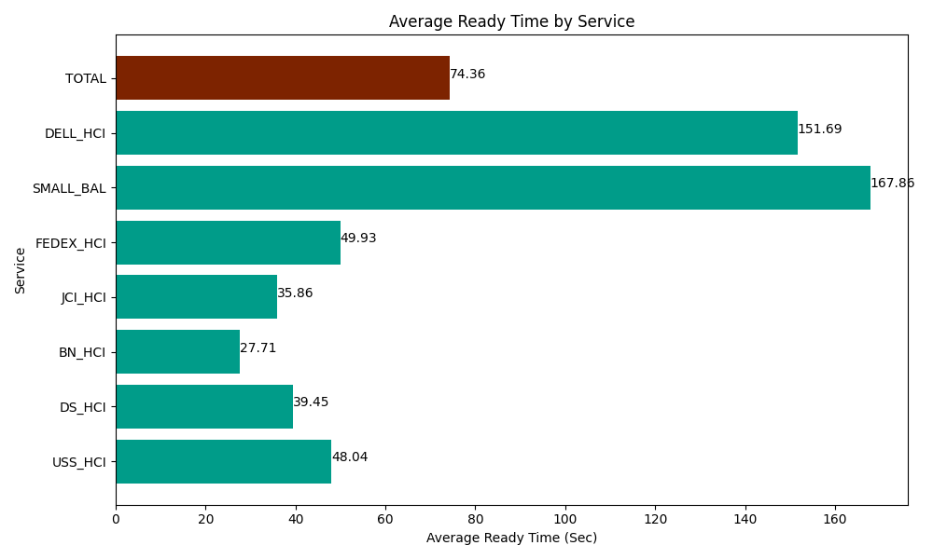
Date | Service | Successful Op Transfer | In Call (Sec) | Ready (Sec) | Wrapup (Sec) | Not Ready (Sec) | Average Ready Time (Sec)
03-14-2024 | USS_HCI | 181 | 23380.799561 | 8695.7995605 | 28812.000732 | 8257.800293 | 48.04
03-14-2024 | DS_HCI | 845 | 55588.798828 | 33339.001465 | 89818.198242 | 131151.00586 | 39.45
03-14-2024 | BN_HCI | 418 | 29431.799927 | 11581.200256 | 54822.000732 | 27503.999634 | 27.71
03-14-2024 | JCI_HCI | 828 | 75633.00293 | 29691.000366 | 98551.201172 | 37389.001465 | 35.86
03-14-2024 | FEDEX_HCI | 91 | 8066.9998169 | 4543.8002014 | 4765.1998901 | 4843.2000732 | 49.93
03-14-2024 | SMALL_BAL | 13 | 763.20001602 | 2182.1999359 | 2477.9999542 | 442.19999313 | 167.86
03-14-2024 | DELL_HCI | 126 | 11632.199707 | 19112.999268 | 25795.200806 | 14437.199707 | 151.69
 | TOTAL | 2502 | 204496.80079 | 109146.00105 | 305041.80153 | 224024.40702 | 74.36

